Sheet1
Not Login |  |  |  |  |  | Logined | Logouted

Jawbone Login Button | enter username and password |  | Authorize View | Slide down | Agree button clicked | Logout button clicked


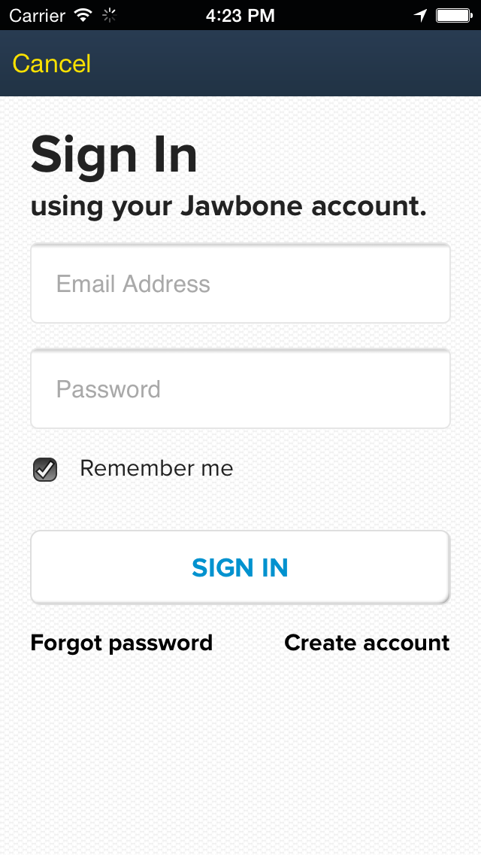
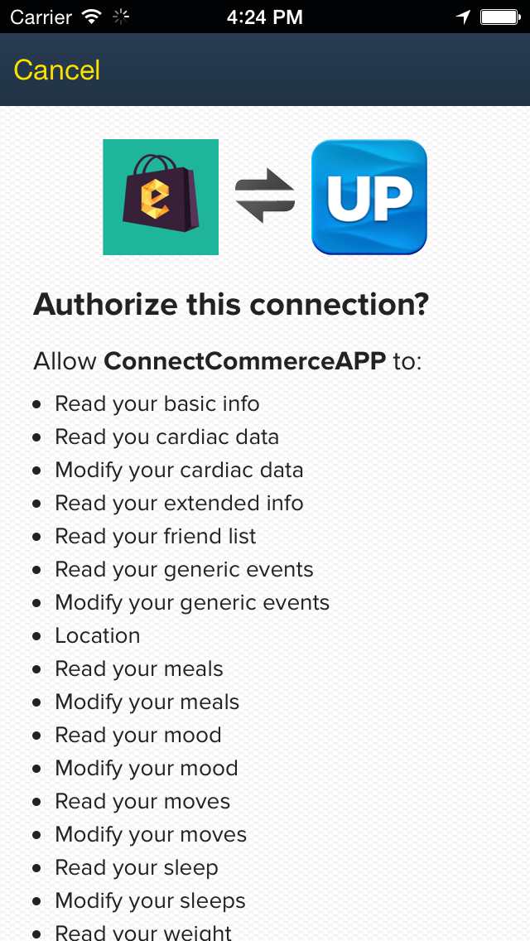
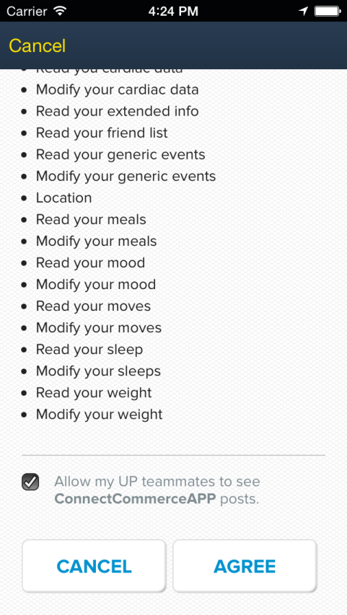



 |  | These views are Jawbone's Login Webview, They are provided by Jawbone

